петухи Merida
Артикул | 2311004490 | 2311002346 | 2311003422 | 2311003563 | 2311002283 | 2311003659 | 2311003400 | 2311003712 | 2311004263 | 2311001107 | 2311003217 | 2311003091
Модель | DH-038A | DH-013C | DH-013E | DH-10(A-HG009) | 8317-0000P | E02-0013-0 | DH-024 | DH-025 | E02-0024-0 | B-1137 | DH-019 | DH-20 R+L
Цена Розница USD | 6.00 | 6.00 | 6.00 | 6.00 | 6.00 | 6.00 | 7.00 | 6.00 | 12.00 | 6.00 | 7.00 | 12.00
Цена Опт USD | 3.00 | 3.00 | 3.00 | 3.00 | 3.00 | 3.00 | 4.00 | 3.00 | 8.00 | 3.00 | 4.00 | 6.00

 |  |  | 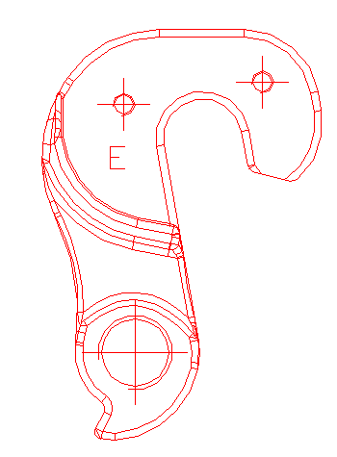 |  |  | 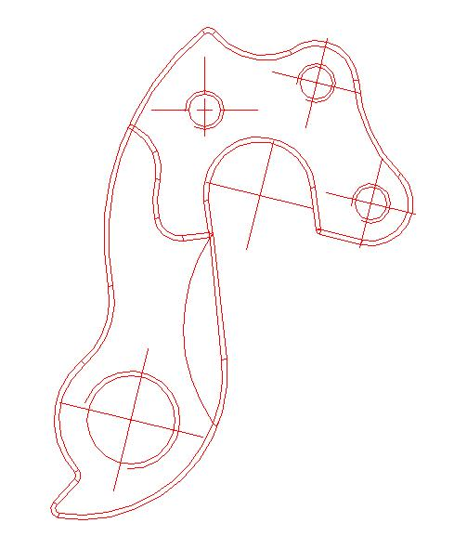 | 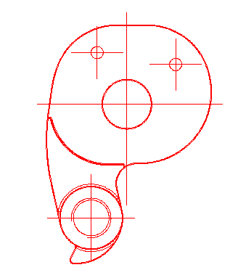 | 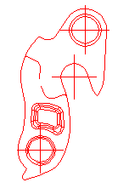 |  |  | 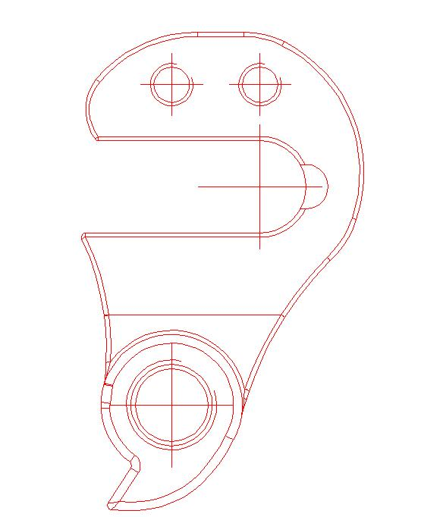 | 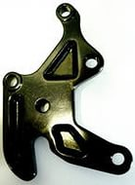 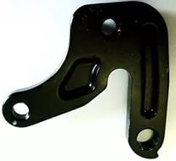
 | BIKE MODEL | BIKE MODEL | BIKE MODEL | BIKE MODEL | BIKE MODEL | BIKE MODEL | BIKE MODEL | BIKE MODEL | BIKE MODEL | BIKE MODEL | BIKE MODEL | BIKE MODEL
 | 2015 год | 2015 год | 2015 год | 2015 год | 2015 год | 2015 год | 2015 год | 2015 год | 2015 год |  | Time Warp | Freddy
 | Big Seven 7 XT Edition | Big Seven Team Issue | Juliet 7.500 | Big Seven 70 | Ride 300-30 | Sculptura SL Team | Ninety-nine 9.Team | Hardy 6.100 | Warp TT Team-E |  |  | Slope
 | One Twenty 7.XT Edition | Matts J24 Team | Juliet 7.300 | Big Seven 40 | Ride 100-24 | Sculptura CF Team-E | Ninety-nine 9.XT | Hardy 6.70 | Warp TT Lampre |  |  | Hardy
 | One Twenty 7.700 | Big Nine Team Issue | Juliet 7.100 | Big Nine 70 | Speeder 500 | Sculptura CF 909-C | Ninety-nine 9.7000 | Hardy 6.40 | Warp TT 6000
 | 2015 и 2016 год | O.Nine CF XT-Edition | Juliet -7.XT-Edition | Big Nine 40 | Speeder 300-D | Sculptura CF 907 | Ninety-nine 9.6000
 | One Twenty 7.XT Edition | O.Nine CF 1000 |  | Juliet 7.40-D | Speeder 300 | Sculptura CF 906C | Ninety-nine 9.800
 | One Twenty 7.600 | 2015 и 2016 год |  | Juliet 6.40D | Speeder 200-D | Sculptura CF 905 | Ninety-nine 9.600
 | Big Seven Team Issue | Big Nine XT-Edition |  | Crossway 40-D | Speeder 200 | Sculptura CF 904 | 160-7.700
 | Big Seven 900 | Big Nine 600 |  | Crossway 40-MD | Speeder 100-MD | Sculptura 9000 | One-Eighty 6.900
 | Big Seven 800 | Big Nine 500 |  | Crossway 40-V | Speeder 100 | Sculptura 7000 | One-Eighty 6.500
 | One Twenty 7.500 | Big Nine 300 |  | Crossway 20-D | 2015 и 2016 год | Reacto Evo Lampre | 2015 и 2016 год
 | One Twenty 7.900 | Big Nine 100 |  | Crossway 20-MD | Scultura 500 | Reacto CF Team | 160-7.900
 | One Twenty 7.800 | Big Nine E-Lite 900 |  | Crossway 20-V | Scultura 400 | Reacto CF 907-E | 160-7.600
 | 2016 год | Big Nine E-Lite 600 |  | Crossway 15-MD | Scultura 300 | Reacto CF 906-S | ONE FORTY 7.900
 | Ninety-Six 9.XT | Big Seven XT-Edition |  | Crossway 15-V | Scultura 200 | Reacto CF 905 | ONE FORTY 7.700
 | Ninety-Six 9.Team | Big Seven 600 |  | Crossway 10-V | Scultura 100 | Reacto 7000 | ONE FORTY 7.600
 | Ninety-Six 9.9000-E | Big Seven 500 |  | 2015 и 2016 год | 2016 год | Ride SL Lampre | ONE FORTY 7.500
 | Ninety-Six 9.800 | Big Seven 300 |  | Crossway 15-MD | Ride Disc 500 | Ride Team | Big Nine Team-Issye
 | Ninety-Six 9.7000 | Big Seven 100 |  | Crossway 15-V | Ride Disc 300 | Ride CF Team | Big Nine 7000
 | Ninety-Six 9.6000 | Matts 6.500 |  | Crossway 10-V | Ride Disc 200 | Ride CF 97CE | Big Nine Team
 | Ninety-Six 9.600 | Matts 6.100 |  | Matts 6.40-D | Ride 500 | Ride CF 97 | Big Nine XT
 | Ninety-Six 7.XT | Crossway XT-Edition |  | 2016 год | Ride 400 | Ride CF 95-E | Big Nine 6000
 | Ninety-Six 7.Team | Crossway 900 |  | Matts 6.20D | Ride 300 | Ride CF 95 | Big Nine 9000
 | Ninety-Six 7.9000-E | Crossway 600 |  | Matts 6.20MD | Ride 200 | Ride CF 94 | Big Nine 1000
 | Ninety-Six 7.800 | Crossway 500 |  | Matts 6.20-V | Ride 100 | Ride 7000 | Big Nine 900
 | Ninety-Six 7.7000 | Crossway 300 |  | Matts 6.15MD | Reacto 500 | Ride 5000 | Big Nine 800
 | Ninety-Six 7.6000 | Crossway 100 |  | Matts 6.10-V | Reacto 400 | Speeder 5000 | Big Seven Team
 | Ninety-Six 7.600 | 2016 год |  |  | Reacto 300 | Speeder 3000 | Big Seven XT
 | One Twenty 9.XT-Edition | JULIET 7. XT-Edition |  |  | Cyclo Cross 700 | 2015 и 2016 год | Big Seven 9000
 | One Twenty 9.900 | JULIET 7.500 |  |  | Cyclo Cross 500 | Warp TRI 7000-E | Big Seven 7000
 | One Twenty 9.8000 | JULIET 7.300 |  |  | Cyclo Cross 300 | Warp TRI 5000 | Big Seven 6000
 | One Twenty 9.800 | JULIET 7.100 |  |  | Cyclo Cross 100 | Warp TRI 3000
 | One Twenty 9.7000 | E-SPRESSO 900EQ |  |  |  | Sculptura SL Lampre
 | One Twenty 9.600 | E-SPRESSO 900 |  |  |  | Sculptura 6000
 | One Twenty 9.5000 | E-SPRESSO 600EQ |  |  |  | Sculptura 5000
 | One Twenty 9.500 | E-SPRESSO 600 |  |  |  | Sculptura 4000
 | One Twenty 7.8000 | Crossway Urban XT-Edition |  |  |  | Reacto DA LTD
 | One Twenty 7.7000 | Crossway Urban 500-Lady |  |  |  | Reacto Team-E
 | One Twenty 7.5000 | Crossway Urban 500 |  |  |  | Reacto 5000
 |  | Crossway Urban 300 |  |  |  | Reacto 4000
 |  | Crossway Urban 100-Lady |  |  |  | Ride Disc 7000
 |  | Crossway Urban 100 |  |  |  | Ride Disc 5000
 |  | Big Seven E-Lite 900 |  |  |  | Ride Disc 3000
 |  | Big Seven E-Lite 600 |  |  |  | Ride 4000
 |  | Big Seven E-Lite 300 |  |  |  | Ride 3000
 |  |  |  |  |  | 2016 год
 |  |  |  |  |  | WARP TRI-KIT
 |  |  |  |  |  | Sculptura Team
 |  |  |  |  |  | Scultura Team 9000
 |  |  |  |  |  | Sculptura 7000-E
 |  |  |  |  |  | Ride Team-E-Di2
 |  |  |  |  |  | Reacto 7000-E-DI2
 |  |  |  |  |  | Reacto 6000
 |  |  |  |  |  | Cyclocross Canti

